IMPORT
Leg Reinforcement Inputs
 |  |  |  |  |  | 7
 |  | Site Data
 |  | BU#:
 |  | Site Name:
 |  | Order #:
 |  | TIA Rev.

 |  | ERI File:

WIND LOAD |  | Wind Load Report File:

DEAD LOAD |  | Dead Load Report File:

 |  | Tower Type: | Self Support
TOOL TIPS
1. Fill out Site Data
2. Import the ERI file
- Brings in the tower sections to apply reinforcement to
3. Import the RTF (report output file)
- Brings in the applied loads in the tower’s legs
- The dead load RTF import becomes available for guyed towers
4. Specify which tower sections to create leg reinforcement for
5. Navigate to the Leg Reinforcement Inputs
- Toggle or navigate to a Section to be edited
- Complete all Sections specified to create reinforcement for
6. Return to the Import worksheet to create the modified ERI file
7. Run the modified ERI file
8. Reimport the RTF file to using the output from the modified ERI file
- Choose to overwrite the stored loads with the newly imported loads
9. Print the combined PDF
- The new loads are input for each Section and printed.
Create Modified ERI File
 | 200 | Section | Top Leg Elevation (ft) | Bottom Leg Elevation (ft) | Pu (kip) [Wind Load] | Pu (kip) [Dead Load] | Create Leg Reinforcement? | Created Leg Reinforcement Name

Print Combined PDF

 | 216

Summary
 | Built-Up Leg Reinforcement Tool |  |  |  |  |  | NAVIGATION

TNX/Report Import
 | Split Pipe Leg Reinforcement Tool
 | Site Data
 | BU#:
 | Site Name:
 | Order #: |  |  | Leg Axial Load
 | Section: |  |  | Compression, Pu: | kips

 | Reinforcement Type |  |  | Ratings
 | Split Pipe |  |  | Spacing Req.:
 |  |  |  | Reinforced Leg:
#DIV/0! | Connection and Analysis Options |  |  | Leg Crushing:
 | TIA-222 Revision: |  |  | Note: Axial capacity is exceeded, interaction equation is not valid for eccentric case.
 | Tower Type:
Copy Current Inputs to...
 | Consider Leg Load at Time of Modification: |  |  | Check Limitation
 | End Connections: | Fixed |  | N/A
 | Leg Crushing Check: |  |  | N/A
Print PDF
 | Applied Load: | Axial
 | Slenderness Ratio: | KL/r Modified
 | Intermediate Connection:
 | Intermediate Spacing: |  | in
 | Split Pipe Ki Factor Override:

 | Leg Data
 | Diameter: |  | in
 | Thickness: |  | in
 | Yield (Fy): |  | ksi
 | Unbraced Length: |  | in

P554-181-28 | Split Pipe Data
 | Outside Diameter: |  | in
 | Thickness: |  | in
 | Yield (Fy): |  | ksi | TNX K Factor Adjustment

 | Built-Up Section Properties
 | Area: |  | in2 | Polar Moment of Inertia, J: |  | in4
 | Moment of Intertia, Ixx: |  | in4 | Moment of Intertia, Iyy: |  | in4
 | Eccentricty, e: |  | in | Plastic Neutral Axis: |  | in
42

Revision
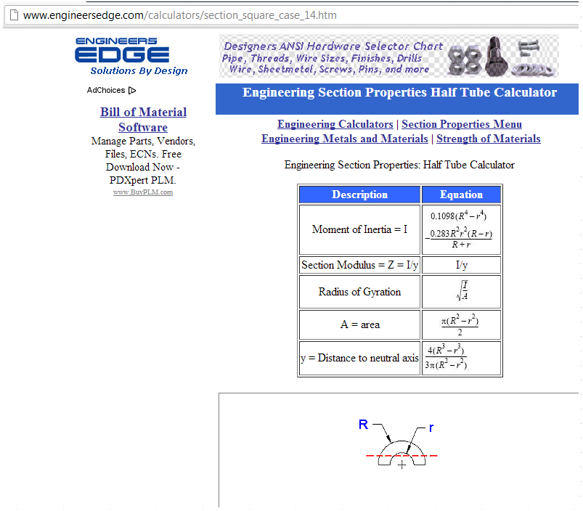
Revision History

Revision | Description of Change | Date | Created By | Reviewed By
1.0 | Initial release | 2012-01-11 | FAA | RMF
2.0 | Combine tabs | 2012-05-09 | FAA
3.0 | Updated Kl/r to use Modified Kl/r and update compression forces to to be calculated for each the pipe and split pipe then be combined | 2012-07-13 | FAA
4.0 | Add D avg and t avg calcs | 2012-08-01 | FAA
5.0 | Automated Area and moment of intertia calculations | 2012-10-10 | FAA
6.0 | Added checking the pipe side for stress & Using TIA instead of AISC for Moment capacity Mn & added intermediate bolted connection check | 2013-01-07 | FAA
6.1 | Add Summary Tab | 2013-01-18 | FAA
6.2 | Add built up shape database | 2013-02-06 | FAA
6.3 | Limit B1 to 1, Fcr the less of the split pipe/leg, add crushing Check | 2013-03-13 | FAA
6.4 | Add section 4.5.4.1 to determine the Fy for compression strength | 2013-03-26 | FAA
6.5 | added limiting width thickness ratio for the split pipe check | 2013-04-11 | FAA
6.6 | Remove KL/r Modifiedified since there is no relative deformation (see attached email) | 2013-05-07 | FAA
6.7 | Added the ability to calculate section properties and the plastic modulus. Changed inputs as need. Reformatted summary page. | 2013-06-07 | DHS

Half Pipe Unified
Revision | Description of Change | Date | Created By | Approved By
7.0 | Complete Rework. Calculations are primarily the same for G but I added the ability to switch eccentricity on and off. Added F calculations. Added graphic. |  | DHS
7.1 | Changed equation in G calculations for Fcr. There was an error in the order of operations that results in low values. | 2014-12-08 | DHS
7.2 | Corrected K factors for Welded and Bolted connectors | 2015-01-14 | DHS
7.3 | Corrected referrence in the section modulus calculation for Rev. G. | 2015-02-03 | DHS
7.4 | Corrected a number in cells F44 & 45 for the moment capacity of tubular members. .027 changed to .0207. Only effects cases where eccentricity was used. | 2015-02-24 | DHS
7.5 | Changed the interaction equations for point 2 (split pipe side) to reflect the fact that this side will always be in tension based on the new location of the centroid. Also changed option for KL/r Built-up to Full KL/r to avoid confusion | 2015-04-01 | DHS
7.6 | Changed the controlling Cc value in rev F calcs. It should always use the Cc of the members with the lowest Fy. Thanks Jesse Fresch. | 2015-08-14 | DHS
7.7 | Corrected allowable stress for rev. f crushing calcs. | 2018-01-19 | DHS
8.0.0 | Added Rev. H Functionality. For Rev G, Equation C was added for the KL/r checks. | 2018-06-01 | MGI | DHS/CD
8.0.1 | Corrected Pass/Fail/Acceptable limits when Section 15.5 of TIA-222-H is toggled. Moved split pipe images so that Section 15.5 check is always viewable. | 2018-08-08 | TA | MRP
9.0.0 | Added Form Fit Modification Type (Standard Sections Only). Formatted Tool Renamed tool to "Built-Up Leg Reinforcement Tool" | 2018-11-02 | SJ/JK | MRP
9.1.0 | Tool specifically updated for situations in which the intermediate connector spacing exceeds the unbraced length of the tower leg: - Spacing Requirement will now show "Design Rqmts Not Met" if ai/ri is greater than the effective KL/r. - Results will show as "NO GOOD", indicating more intermediate connectors are required. | 2019-02-21 | MRP
9.2.0 | • Summary o Added "Load Z Normalization" option. | 2019-02-28 | MRP
9.2.1 | Fixed issue with error handler creating a loop. | 2019-06-20 | DHS
9.3.0 | Added Rev. H Bolt-On Split Pipe Connection Design | 2019-12-19 | MRP / ADS
9.3.1 | Added checkbox to include/exclude Rev. H Bolt-On Split Pipe Connection Design when printing to PDF. Only appears when the hyperlink to design the connections is visible. | 2020-03-12 | MRP
9.3.2 | -Added calcs to limit leg strength to original leg strength. -Added logic to use the original leg strength if ai/ri > KL/r Effective in Rev. G and H. Removed logic for "NO GOOD" on the Summary page (Cell P12). -Added logic on calcs tabs to explicitly show which shape is controlling. | 2020-03-19 | DH
9.3.3 | Summary: Note for Leg Thickness Input was missing "52" ksi. Bolt-On Split Pipe: Shifted checkbox for "Set Top of Section Inputs Equal to Bottom of Section Inputs" option down slightly so that it moves with cell when changing the Tower Type again. | 2020-04-07 | MRP
9.4.0 | Added logic to align with ENG-MAP-10383 Split Pipe Design Methodology: • Summary o Added Tower Type Input o Guyed input allows the user to consider splitting the axial load between the leg and the split pipe to account for dead load in the leg at the time of the modification. o Added Consider Leg Load at Time of Modification Input o Input for both analysis and design of split pipe to be in line with ENG-MAP-10383. Unless the Exceptions of the document are met, the default should be “Yes” for Guyed towers. o Added Ki Split Pipe Effective Length Factor Input o Input may be used when the spacing requirements of an existing modification are not met. Refer to ENG-MAP-10383 for Exceptions. Input will appear only when Spacing Req reads “Exceeded”. o Added Dead Load Input o Required input to split the axial load between the leg and the split pipe to account for dead load in the leg at the time of the modification. Used on both the Leg Load at Time of Mod and Bolt-On Split Pipe Connections tabs. Will appear when the Tower Type is Guyed. • Leg Load at Time of Mod o Added tab with calculations pertaining to the MAP document. If the Consider Leg Load at Time of Modification input is "Yes" and the Tower Type is "Guyed", this tab will become visible and the maximum rating of the built-up leg member or the individual components is reported on the Summary tab. • Rev. H, G, and F sheets o Added logic for the Split Pipe exceptions as listed in the MAP document. o If a Ki factor is input, it overrides the typical factors. This is only applied to the ai/ri spacing requirement check. o Added logic to use the minimum ratio of the results of (KL/r)m and the KL/r of the unmodified leg if the spacing ratio <= 0.75, use KL/rib if the spacing ratio is > 0.75 and <= 1.0, and the KL/r of the unmodified tower leg if t | 2020-07-14 | MRP
10.0.0 | • Created IMPORT worksheet o Added ERI import o Added RTF import o Added ERI export that creates the Arbitrary Shapes, assigns material grades, and applies K factors in a new ERI file based on user-specified inputs in this tool • Created Database of stored user-inputs that is referenced to toggle between multiple sections and create the modified ERI file • Optimized workchange event coding. Images will update once all necessary inputs are complete, decreasing lag time while completing all inputs. | 2020-08-25 | MRP
10.0.1 | • Added Import Functionality for previous versions • VBA/Print Combined PDF o Removed reference to Adobe Acrobat and revised code to create generic object. Previously the Acrobat reference was preventing the VBA from functioning properly on machines without Acrobat. • Summary o Restored hyperlink reference to the Bolt-On Split Pipe Connection sheet. • Database o Revised logic to ensure the Bolt-On Connection data is stored for the active section when manually toggling from one section to another, prior to loading stored data from the selected section. • Bolt-On Split Pipe Connections o Removed the reference to Rev. H's Section 15.5 Divide by 1.05 to limit the design calculations to 100% independent from the application of Section 15.5 to the split pipe design/analysis. | 2020-09-25 | MRP
10.0.2 | • VBA/Database o Edited logic to prevent data for one tower section saving to the database for another tower section. This could have occurred if a tower section is later added between modified sections already saved to the database. That scenario would have been apparent in the output. o Added logic so that the image updates for each tower section when printing the combined PDF. | 2020-11-13 | MRP
10.0.3 | • VBA/Database o Updated workchange event to show Ki Override input for Split Pipe, regardless of spacing requirement. o Any workchange event changes the DataStored value to False until the data is stored again. • Summary o Edited boolean logic for all inputs complete so that it does not rely on the Leg Load at Time of Mod input to be nonblank. • Ref o Added 40ksi yield strength steel. Assumes A570-40 if creating ERI file. | 2021-02-02 | MRP
10.0.4 | • VBA/Database o Updated Import Inputs code for importing inputs from versions 10.0.0 and 10.0.1. Changes made to the database for version 10.0.2 requires a conversion to copy data from a row in the older versions into the current row housing that data. o Revised logic for Import Inputs to set database range as values, to ensure numeric values are not stored as strings. o Edited code in case K factor is reported as Original Leg Controls and inputs are copied into another section, the calculated K factor will copy. o Minor additional logic to update image, hyperlinks, and reported plastic neutral axis when loading data into summary, preventing the need to call a workchange event. o Added code to refer to the current directory when importing .RTF and .ERI. | 2021-05-03 | MRP

